3-3~3-7
Before

Call api

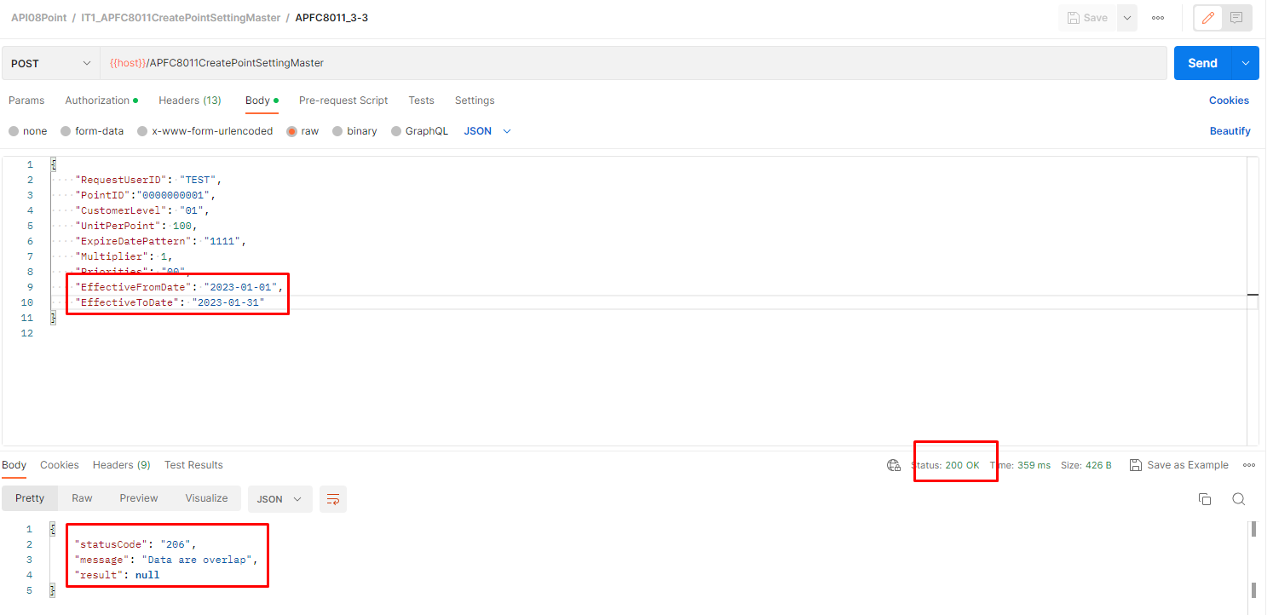

After

